1. Title Page
[Instacart Basket Analysis]

Project Name: Instacart Basket Analysis
Date: January 24, 2024
Analyst Name: Amrita Yankson

Contents:
Population Flow
Consistency checks
Wrangling steps
Column derivations
Visualizations
Recommendations

Citations: | 1) The Instacart Online Grocery Shopping Dataset 2017 via Kaggle on 01/24/2024
 | 2) CareerFoundry Datasets

2. Population Flow
Title page

Population flow

Exclusion flag
Condition: max_order < 5
Obervations to be removed: 1,441,548
Final total count of order_products_all: 30,992,664

Orders_products_combined
Orders_products_merged
Orders_products_all

Total: 32,404,859 rows and 13 columns
Total: 32,434,489 and 10 columns
Total: 30,992,664 and 32 Columns

1.) The grey boxes in the first row of the population flow represent the original data sets as they were when you downloaded them. In the Total fields you need to add the count of the rows when you imported the data set into Jupyter.
2.) The second row of boxes (coloured) represents the data sets after you manipulated them, e.g., removed missing values and duplicates. In the Total fields you need to add the count of the rows after conducting these operations. This offers a visual oveview of how the data flows throughout the data consistency checks.
3.) The third row, where also the arrows are coloured, represents the merges you performed between the datasets. In the Total fields you need to add the count of the rows in the merged datasets, so that you end up with the final dataset (in the red box). Keep in mind the final dataset should be without exclusions (based on the exclusion flag).

3. Consistency checks
 |  |  |  | Title page
Consistency checks

Dataset | Missing values | Missing values treatment | Duplicates
orders | 'time_elapsed_since_last_order' -- 206,209 | Nothing needed to be done since it was the customers first order | None found
products | 'product_name'-- 16 | Removed | 5 duplicates found
orders_products_prior | n/a | n/a | n/a
customers | 'first name'-- 11,259 | Not needed for analysis and all names were removed for PII reasons

4. Wrangling steps
 |  |  |  | Title page
Wrangling steps

Columns DROPPED | Comment/Reason | Columns' TYPE changed | Comment/Reason
eval_set | Not relevant to our analysis. | 'order_id' (from integer to string) | 'order_id' does not represent a real numeric value and will not get picked up when using describe ()
first name | PII | 'user_id' (from integer to string) | 'user_id' does not represent a real numeric value and will not get picked up when using describe ()
last name | PII | 'department_id' (from integer to string) | 'user_id' does not represent a real numeric value and will not get picked up when using describe ()
'_merge' | not needed for analysis and disrupts merge check | 'department_id' (from integer to string) | 'user_id' does not represent a real numeric value and will not get picked up when using describe ()

Columns RENAMED | Comment/Reason
'order_dow' renamed to 'orders_day_of_week' | Changed 'dow' to optimize readability.
'days_since_prior_order' renamed to 'time_elapsed_since_last_order' | Highlights that we are looking at the duration of time/days that passed since previous order.
'fam_status' to Marital Status | more commonly used term

5. Column derivations
 |  |  |  |  |  |  |  |  | Title page

Column derivations and aggregations

Customer_Profile_Age_Income | Adult- Above Avg Income | Adult- Avg Income | Adult- Below Avg Income | Senior Citizen- Above Avg Income | Senior Citizen- Avg Income | Senior Citizen- Below Avg Income | Young Adult- Above Avg Income | Young Adult- Avg Income | Young Adult- Below Avg Income |  | Customer_Profile_Age_Income | Adult- Above Avg Income | Adult- Avg Income | Adult- Below Avg Income | Senior Citizen- Above Avg Income | Senior Citizen- Avg Income | Senior Citizen- Below Avg Income | Young Adult- Above Avg Income | Young Adult- Avg Income | Young Adult- Below Avg Income
loyalty flag
Loyal customer | 1002953 | 3266411 | 579994 | 701528 | 1768554 | 256090 | 32124 | 1999158 | 686925 |  | Region
New customer | 450918 | 1443013 | 353439 | 320609 | 802875 | 154296 | 8490 | 914079 | 360131 |  | Midwest | 662777 | 2098241 | 407303 | 444572 | 1128889 | 171371 | 16561 | 1287944 | 444272
Regular customer | 1553053 | 4924329 | 966011 | 1070717 | 2705050 | 423027 | 40140 | 3116215 | 1092535 |  | Northeast | 528333 | 1658037 | 327836 | 370170 | 965554 | 150540 | 12849 | 1081246 | 375503
 |  |  |  |  |  |  |  |  |  |  | South | 982034 | 3202311 | 654309 | 694346 | 1737171 | 279313 | 29364 | 2014621 | 726993
Customer_Profile_Age_Income | Adult- Above Avg Income | Adult- Avg Income | Adult- Below Avg Income | Senior Citizen- Above Avg Income | Senior Citizen- Avg Income | Senior Citizen- Below Avg Income | Young Adult- Above Avg Income | Young Adult- Avg Income | Young Adult- Below Avg Income |  | West | 774946 | 2490658 | 472971 | 545000 | 1337974 | 217206 | 19929 | 1526004 | 549739
price_range_loc
High-range product | 42534 | 132135 | 10774 | 30350 | 73400 | 3166 | 2073 | 83582 | 19943
Low-range product | 897099 | 2872581 | 769483 | 621036 | 1577973 | 360107 | 24539 | 1789789 | 762293
Mid-range product | 2067291 | 6629037 | 1119187 | 1441468 | 3625106 | 470140 | 54142 | 4156081 | 1357355 |  | Customer_Profile_Household_Income | Married- Above Avg Income Household w/Kids | Married- Avg Income Household w/Kids | Married- Below Avg Income Household w/Kids | Single- Above Avg Income Household w/Kids | Single- Above Avg Income Household w/o Kids | Single- Avg Income Household w/Kids | Single- Avg Income Household w/o Kids | Single- Below Avg Income Household w/Kids | Single- Below Avg Income Household w/o Kids | Column1
 |  |  |  |  |  |  |  |  |  |  | loyalty_flag
 |  |  |  |  |  |  |  |  |  |  | Loyal customer | 1279839 | 4907541 | 1021472 | 7949 | 448817 | 366684 | 1759898 | 118632 | 382905
Customer_Profile_Age_Income | Adult- Above Avg Income | Adult- Avg Income | Adult- Below Avg Income | Senior Citizen- Above Avg Income | Senior Citizen- Avg Income | Senior Citizen- Below Avg Income | Young Adult- Above Avg Income | Young Adult- Avg Income | Young Adult- Below Avg Income |  | New customer | 583052 | 2215606 | 584888 | 737 | 196228 | 159268 | 785093 | 61963 | 221015
frequency_flag |  |  |  |  |  |  |  |  |  |  | Regular customer | 1986552 | 7513470 | 1670601 | 7262 | 670096 | 563058 | 2669066 | 197058 | 613914
Frequent Customer | 2067547 | 6645388 | 1234274 | 1453969 | 3626871 | 554433 | 60028 | 4137351 | 1442047
Non_frequent_customer | 274052 | 877240 | 217974 | 184042 | 484616 | 91673 | 5583 | 541708 | 220555 |  | Customer_Profile_Household_Income | Married- Above Avg Income Household w/Kids | Married- Avg Income Household w/Kids | Married- Below Avg Income Household w/Kids | Single- Above Avg Income Household w/Kids | Single- Above Avg Income Household w/o Kids | Single- Avg Income Household w/Kids | Single- Avg Income Household w/o Kids | Single- Below Avg Income Household w/Kids | Single- Below Avg Income Household w/o Kids
Regular customer | 665325 | 2111125 | 447196 | 454843 | 1164992 | 187307 | 15143 | 1350393 | 476989 |  | price_range_loc
 |  |  |  |  |  |  |  |  |  |  | High-range product | 56353 | 203164 | 21987 | 373 | 18231 | 14877 | 71076 | 3747 | 8149
 |  |  |  |  |  |  |  |  |  |  | Low-range product | 1146114 | 4362572 | 1285150 | 4655 | 391905 | 323305 | 1554466 | 133847 | 472886
Customer_Profile_Age_Income | Adult- Above Avg Income | Adult- Avg Income | Adult- Below Avg Income | Senior Citizen- Above Avg Income | Senior Citizen- Avg Income | Senior Citizen- Below Avg Income | Young Adult- Above Avg Income | Young Adult- Avg Income | Young Adult- Below Avg Income |  | Mid-range product | 2646976 | 10070881 | 1969824 | 10920 | 905005 | 750828 | 3588515 | 240059 | 736799
Department
alcohol | 15799 | 41645 | 10289 | 11262 | 21232 | 4226 | 2454 | 28274 | 9493 |  | Customer_Profile_Household_Income | Married- Above Avg Income Household w/Kids | Married- Avg Income Household w/Kids | Married- Below Avg Income Household w/Kids | Single- Above Avg Income Household w/Kids | Single- Above Avg Income Household w/o Kids | Single- Avg Income Household w/Kids | Single- Avg Income Household w/o Kids | Single- Below Avg Income Household w/Kids | Single- Below Avg Income Household w/o Kids
babies | 42171 | 138311 | 16406 | 28630 | 71005 | 6569 | 609 | 82446 | 24245 |  | frequency_flag
bakery | 113337 | 353499 | 61428 | 78868 | 192763 | 25285 | 3913 | 221880 | 74053 |  | Frequent Customer | 2659489 | 10074257 | 2167048 | 13615 | 908440 | 758636 | 3576717 | 259271 | 804435
beverages | 239073 | 763086 | 208723 | 167579 | 415096 | 101353 | 7393 | 465102 | 204529 |  | Non_frequent_customer | 345725 | 1334355 | 360795 | 413 | 117539 | 99001 | 470208 | 39500 | 129907
breakfast | 64442 | 203090 | 51154 | 44251 | 108924 | 23952 | 2015 | 127705 | 52562 |  | Regular customer | 844229 | 3228005 | 749118 | 1920 | 289162 | 231373 | 1167132 | 78882 | 283492
bulk | 2930 | 9881 | 2674 | 1985 | 5793 | 1167 | 12 | 6536 | 2473
canned goods | 103912 | 323412 | 46456 | 70439 | 178896 | 18174 | 3087 | 205341 | 62357 |  | Customer_Profile_Household_Income | Married- Above Avg Income Household w/Kids | Married- Avg Income Household w/Kids | Married- Below Avg Income Household w/Kids | Single- Above Avg Income Household w/Kids | Single- Above Avg Income Household w/o Kids | Single- Avg Income Household w/Kids | Single- Avg Income Household w/o Kids | Single- Below Avg Income Household w/Kids | Single- Below Avg Income Household w/o Kids
dairy eggs | 511795 | 1634427 | 283413 | 354102 | 895062 | 122847 | 14164 | 1031957 | 344061 |  | Department
deli | 98055 | 313476 | 60634 | 67425 | 172947 | 24827 | 2107 | 195232 | 69131 |  | alcohol | 21513 | 61790 | 16139 | 470 | 7532 | 5845 | 23516 | 2065 | 5804
dry goods pasta | 82460 | 264601 | 38016 | 57179 | 145927 | 14210 | 2280 | 166469 | 50994 |  | babies | 52269 | 203979 | 31435 | 225 | 18916 | 15162 | 72621 | 3994 | 11791
frozen | 210513 | 664684 | 121502 | 146272 | 366077 | 52287 | 6673 | 413693 | 141641 |  | bakery | 146575 | 533982 | 108073 | 673 | 48870 | 40105 | 194055 | 13132 | 39561
household | 69076 | 211956 | 47824 | 48541 | 115837 | 22252 | 3701 | 130013 | 50658 |  | beverages | 307411 | 1149640 | 350426 | 1233 | 105401 | 82337 | 411307 | 35538 | 128641
international | 25424 | 81925 | 12342 | 17617 | 44784 | 4798 | 654 | 51743 | 16704 |  | breakfast | 82890 | 306974 | 86412 | 383 | 27435 | 23419 | 109326 | 9692 | 31564
meat seafood | 69657 | 224089 | 20830 | 49793 | 124599 | 6759 | 1992 | 141902 | 35164 |  | bulk | 3651 | 15711 | 4456 | 2 | 1274 | 1233 | 5266 | 398 | 1460
missing | 6345 | 19853 | 3902 | 4343 | 11040 | 1532 | 133 | 13299 | 4321 |  | canned goods | 132751 | 495703 | 84123 | 672 | 44015 | 36527 | 175419 | 11278 | 31586
other | 3329 | 10447 | 2247 | 2371 | 5712 | 863 | 200 | 6905 | 2337 |  | dairy eggs | 654219 | 2488777 | 499589 | 2923 | 222919 | 188016 | 884653 | 60089 | 190643
pantry | 177996 | 563534 | 94424 | 124345 | 308233 | 39851 | 5011 | 353955 | 115554 |  | deli | 124696 | 474937 | 102700 | 406 | 42485 | 35162 | 171556 | 12551 | 39341
personal care | 41069 | 133590 | 26460 | 28643 | 70568 | 11885 | 1415 | 80535 | 30250 |  | dry goods pasta | 106129 | 404005 | 68164 | 479 | 35311 | 29927 | 143065 | 9136 | 25920
pets | 9746 | 28240 | 4821 | 6678 | 16521 | 1917 | 469 | 18197 | 6476 |  | frozen | 269250 | 1010388 | 210886 | 1582 | 92626 | 75197 | 358869 | 26290 | 78254
produce | 886316 | 2890762 | 480992 | 620157 | 1584896 | 203051 | 15864 | 1819366 | 577872 |  | household | 89621 | 323758 | 81772 | 666 | 31031 | 23504 | 110544 | 9179 | 29783
snacks | 233479 | 759245 | 304907 | 162374 | 420567 | 145608 | 6608 | 468902 | 264716 |  | international | 32455 | 124154 | 22527 | 84 | 11156 | 9325 | 44973 | 2985 | 8332
 |  |  |  |  |  |  |  |  |  |  | meat seafood | 91467 | 344121 | 40974 | 443 | 29532 | 25432 | 121037 | 6469 | 15310
 |  |  |  |  |  |  |  |  |  |  | missing | 8095 | 31081 | 6340 | 24 | 2702 | 2489 | 10622 | 804 | 2611
 |  |  |  |  |  |  |  |  |  |  | other | 4397 | 15983 | 3502 | 51 | 1452 | 1275 | 5806 | 489 | 1456
Customer_Profile_Household_Income | Married- Above Avg Income Household w/Kids | Married- Avg Income Household w/Kids | Married- Below Avg Income Household w/Kids | Single- Above Avg Income Household w/Kids | Single- Above Avg Income Household w/o Kids | Single- Avg Income Household w/Kids | Single- Avg Income Household w/o Kids | Single- Below Avg Income Household w/Kids | Single- Below Avg Income Household w/o Kids | Column1 | pantry | 227759 | 858439 | 166879 | 1038 | 78555 | 64169 | 303114 | 20653 | 62297
Region |  |  |  |  |  |  |  |  |  |  | personal care | 52929 | 199899 | 45148 | 350 | 17848 | 14338 | 70456 | 5516 | 17931
Midwest | 845726 | 3119750 | 693287 | 2523 | 275661 | 241160 | 1154164 | 80956 | 248703 |  | pets | 12173 | 43553 | 8399 | 76 | 4644 | 3798 | 15607 | 1464 | 3351
Northeast | 680931 | 2606384 | 570142 | 774 | 229647 | 196011 | 902442 | 59998 | 223739 |  | produce | 1130237 | 4394067 | 848991 | 2830 | 389270 | 328689 | 1572268 | 99020 | 313904
South | 1259306 | 4856295 | 1114604 | 8335 | 438103 | 368405 | 1729403 | 129165 | 416846 |  | snacks | 298956 | 1155676 | 490026 | 1338 | 102167 | 83061 | 409977 | 46911 | 178294
West | 989774 | 3762910 | 831147 | 3722 | 346379 | 264166 | 1327560 | 100343 | 308426

prices
Column1 | mean | min | max |  |  | time_elapsed_since_last_order
Customer_Profile_Age_Income
Adult- Above Avg Income | 7.944664 | 1 | 25 |  | Customer_Profile_Age_Income | mean | min | max
Adult- Avg Income | 7.943643 | 1 | 25 |  | Adult- Above Avg Income | 10.732851 | 0 | 30
Adult- Below Avg Income | 6.804867 | 1 | 25 |  | Adult- Avg Income | 10.75448 | 0 | 30
Senior Citizen- Above Avg Income | 7.963507 | 1 | 25 |  | Adult- Below Avg Income | 11.240526 | 0 | 30
Senior Citizen- Avg Income | 7.940614 | 1 | 25 |  | Senior Citizen- Above Avg Income | 10.715051 | 0 | 30
Senior Citizen- Below Avg Income | 6.512884 | 1 | 25 |  | Senior Citizen- Avg Income | 10.770768 | 0 | 30
Young Adult- Above Avg Income | 7.816812 | 1 | 25 |  | Senior Citizen- Below Avg Income | 11.122948 | 0 | 30
Young Adult- Avg Income | 7.956365 | 1 | 25 |  | Young Adult- Above Avg Income | 10.270644 | 0 | 30
Young Adult- Below Avg Income | 7.31911 | 1 | 25 |  | Young Adult- Avg Income | 10.774482 | 0 | 30
 |  |  |  |  | Young Adult- Below Avg Income | 10.983127 | 0 | 30

prices
Column1 | mean | min | max
Customer_Profile_Household_Income
Married- Above Avg Income Household w/Kids | 7.954047 | 1 | 25 |  | time_elapsed_since_last_order
Married- Avg Income Household w/Kids | 7.944973 | 1 | 25 |  | Column1 | mean | min | max
Married- Below Avg Income Household w/Kids | 6.937776 | 1 | 25 |  | Customer_Profile_Household_Income
Single- Above Avg Income Household w/Kids | 7.962347 | 1 | 25 |  | Married- Above Avg Income Household w/Kids | 10.747157 | 0 | 30
Single- Above Avg Income Household w/o Kids | 7.93921 | 1 | 25 |  | Married- Avg Income Household w/Kids | 10.772675 | 0 | 30
Single- Avg Income Household w/Kids | 7.962448 | 1 | 25 |  | Married- Below Avg Income Household w/Kids | 11.125478 | 0 | 30
Single- Avg Income Household w/o Kids | 7.94763 | 1 | 25 |  | Single- Above Avg Income Household w/Kids | 8.99455 | 0 | 30
Single- Below Avg Income Household w/Kids | 7.347629 | 1 | 25 |  | Single- Above Avg Income Household w/o Kids | 10.655595 | 0 | 30
Single- Below Avg Income Household w/o Kids | 6.982571 | 1 | 25 |  | Single- Avg Income Household w/Kids | 10.69399 | 0 | 30
 |  |  |  |  | Single- Avg Income Household w/o Kids | 10.755655 | 0 | 30
 |  |  |  |  | Single- Below Avg Income Household w/Kids | 10.990695 | 0 | 30
 |  |  |  |  | Single- Below Avg Income Household w/o Kids | 11.09454 | 0 | 30

6. Visualizations
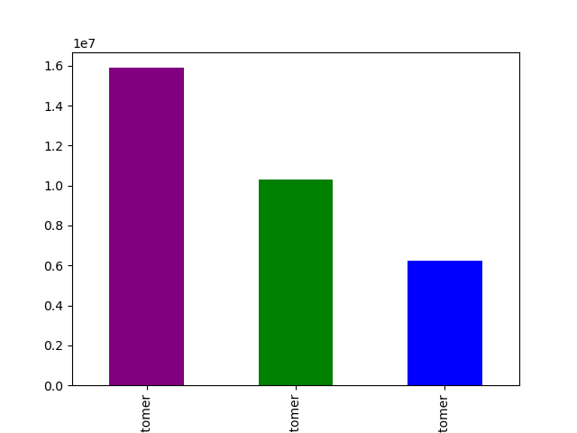
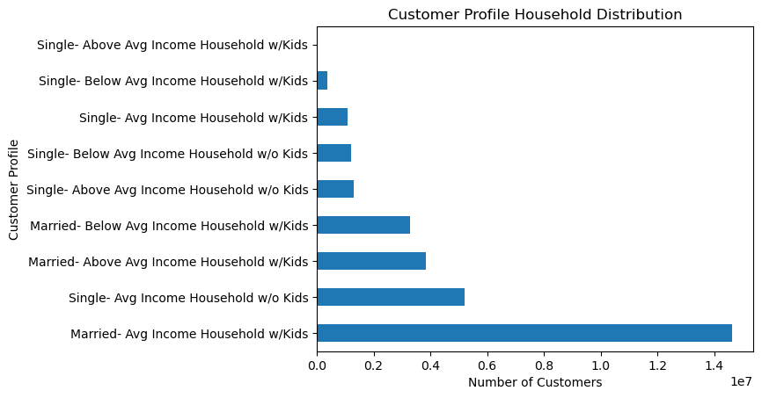
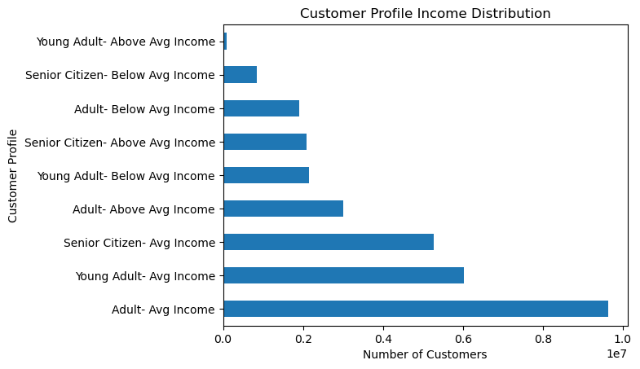
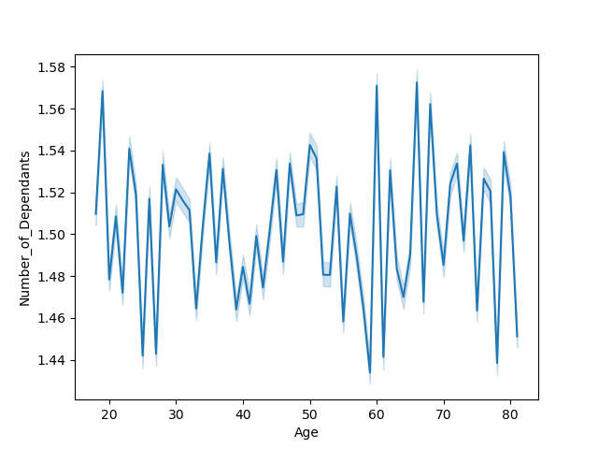



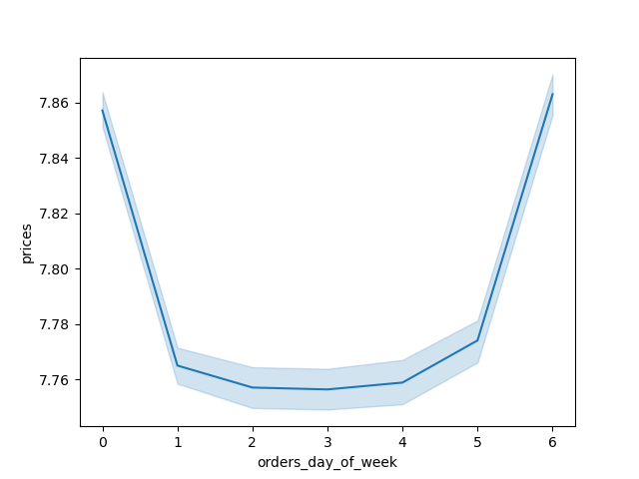
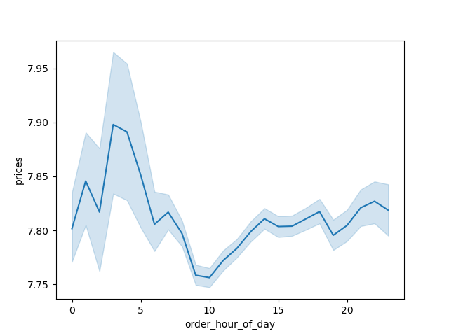

Title page

Visualisations

In this tab you should include all the visualtions from Exercises 4.9 and 4.10, alongside the questions from the project brief that they answer. Include any commentary on the relationship between different variables.

7. Recommendations
 |  | Title page

Recommendations

In this tab you should include any recommendations you would made to Instcart in terms of their marketing strategy based on the questions posed in the brief. Every key question has been covered in the Tasks of the Exercises - here you need to add an item - a visualisation or table/crosstable that is showing the answer in the data, acompanied by a comment from you. Please, list the questions below and add the answer underneath.

Question | Answer/Recommendation
What are the busiest days of the week? What are the busiest hours of the day? | Busiest days are Saturday and Sunday. Busieest time 10 am to 3 pm. Use the days and time to amp marketing tactics. Maybe hold special sales so that people end up spending more money than they intend.
What time of the day do people spend the most money? | Highest priced products are mostly bought on Friday and Saturday. Similar recommendation as above. Sometimes when there is a sale on something, people are likely to buy it even though they didn’t necessarily need it.
Simplier price range products | According to our data the max price of items are $25 but the majority of items higher priced items are bought at around $15. A majority of products being bought are between $5 and $15. Maybe have sales on items with that price point.
Are there types of products that are more popular than others? | Yes- produce, dairy/eggs, snacks, and beverages. Have deals on drinks (buy 2 get 1 free) and similar sales.
What's the distribution among users in regards to their brand loyalty? | Trend seems to be that loyal or regular customers purchase after 6-10 days from their previous order. Having promotions on frequently bought items would help.
Any differences in ordering habits based on customer loyalty? | Yes- 'regular' customers make up a majority of the sales. Our goal would be to get more regular customers to become 'loyal' customers. I think a loyalty program would be a great option to get more 'loyal' customer. Getting points with every purchase can help with a future price reduction of future order or points towards gas rewards.
Any differences in ordering habit based on region? | Majority of sales are in southern states. There is a lot more states that make up the southern region so captializing on products they frequently buy would be helpful.
Is there a connection between age and family habits in terms of ordering habits? | Not according to our data.
What different classifications does the demographic information suggest? | We looked at a combination of Income and Household and most of our sales are from the group 'Married with Children' in the average income bracket. We also looked at Age and Income and most sales come from 'Adult' with average income. Lower income individuals that are single with children do not make up a big part of sales. If they have promotions or fundraiser to help low income families, I think there could be a higher number of sales from these groups.
Are there differences that can be found in ordering habits across customer profiles? | Our data shows that we get more sales from Adults with average income and Married average income household with kids. Focusing either on increading sales tactics with the group already provifig us with the most revenue can be helpful. We can also increase marketing strategies specifically for customers that dont contribute to a lot of sales.

